1. Introduction
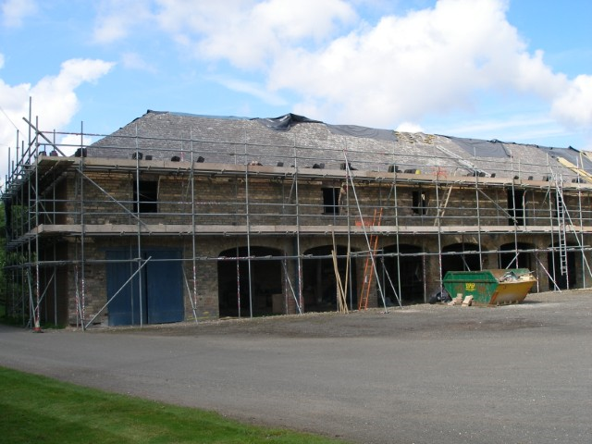

created by Sam Arthur @ FPCR | Small Sites Metric (The Statutory Biodiversity Metric)

 | Version 1.2.3 Release Date: |  | 3rd July 2025

 | Cell style conventions

 |  | Enter data

 |  | Automated equation

 |  | Result

© Natural England/Margaret Nieke 2012
 |  | Title cell
 |  | Title cell alt colour
 | ▲ | Error
 | ⚠ | Attention required |  | Technical Requirements - Excel Versions: 2010, 2013, 2016, 2019, Office 365, Excel for Android
 |  | Use of this cell is not required

8. Headline Results
Site Name |  | Toad Hall Farm
Sheet Name |  | Headline Results
Headline Results
Headline |  | BNG Targets Met ✓

Trading Rules |  | Trading Rules Satisfied ✓

Next steps |  | Check for input errors/rule breaks present in the metric ⚠
 |  |  |  | % unit change required
Baseline Units | Area habitat units | 1.2972 |  | 0.129716
 | Hedgerow units | 0.2600 |  | 0.026
 | Watercourse units | Zero Units Baseline |  | #VALUE!
 |  |  |  | Target units required (baseline plus extra units needed)
Post-development Units | Area habitat units | 1.4769 |  | 1.4269
 | Hedgerow units | 0.2991 |  | 0.2860
 | Watercourse units | 0.0000 |  | #VALUE!

Total net unit change | Area habitat units | 0.1797 | ✓ | 10.00%
 | Hedgerow units | 0.0391 | ✓ | 10.00%
 | Watercourse units | 0.0000 | #VALUE! | #VALUE!

Total net % change | Area habitat units | 13.86% | ✓ | 13.855058975
 | Hedgerow units | 15.05% | ✓ | 15.048931401
 | Watercourse units | % target not appropriate | #VALUE! | #VALUE!

Area habitat units required to meet target |  | 0.0000
Hedgerow units required to meet target |  | 0.0000
Watercourse units required to meet target |  | 0.0000

Chart 1 - Unit change by habitat group

 | Baseline | Provision
Habitat units | 1.30 | 1.48
Hedgerow units | 0.26 | 0.30
River units | 0.00 | 0.00

